Screenshot
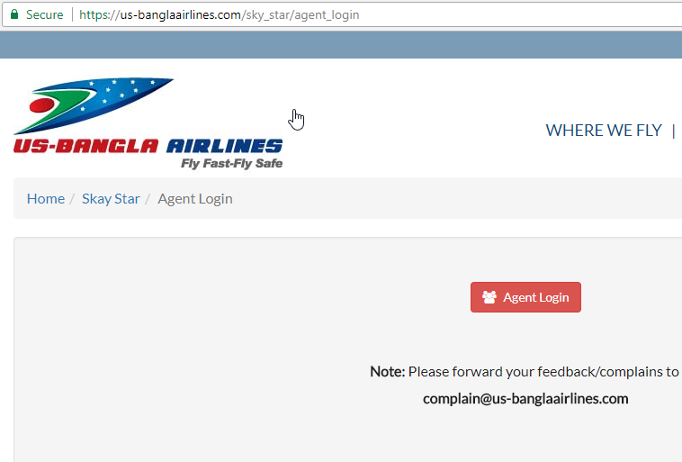

 | sheet1_1 |  |  |  |  |  | sheet1_4

 |  |  |  |  | sheet1_6

sheet1_2 |  |  |  |  |  |  |  | sheet1_5

 |  |  |  |  |  | sheet1_8

sheet1_3 |  |  |  |  |  |  |  | sheet1_7

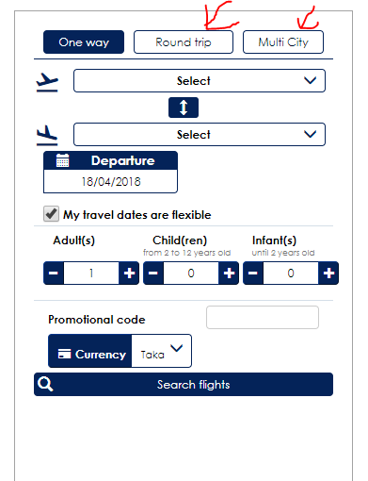

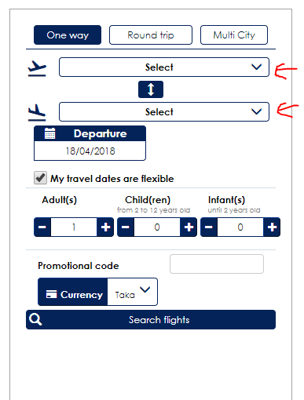

sheet2_1

 |  |  |  |  | sheet2_2

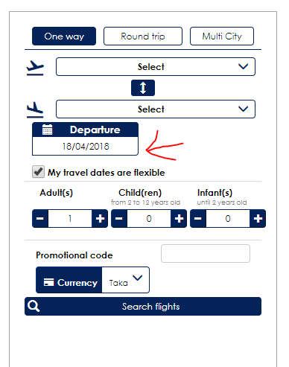
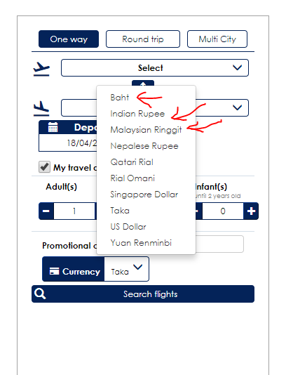

sheet2_3

 |  |  |  |  |  | sheet2_4

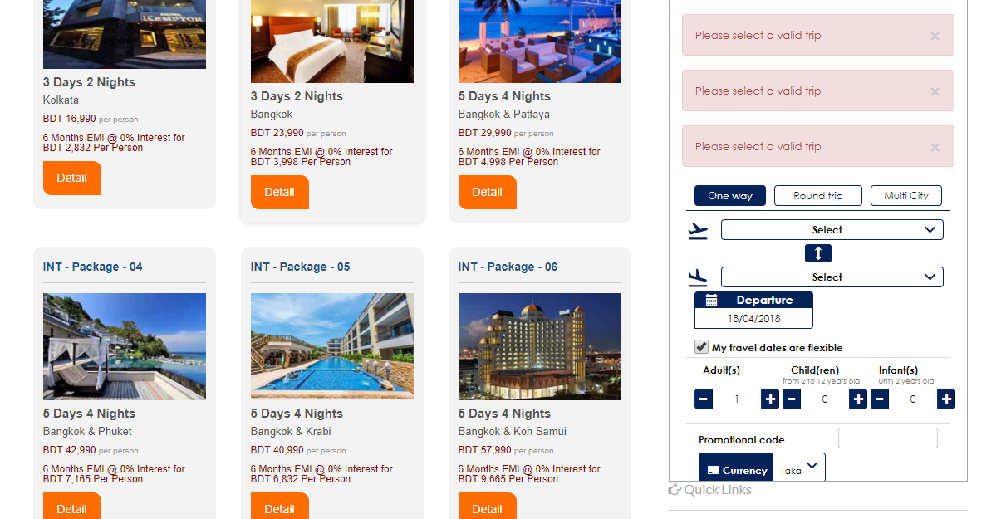

 |  |  | sheet2_5

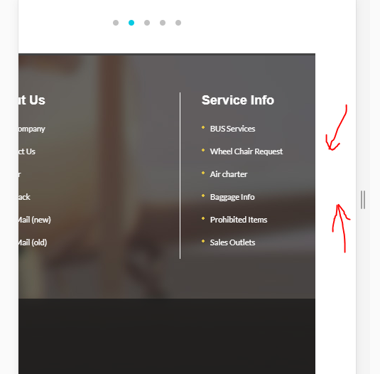

 |  | sheet2_6

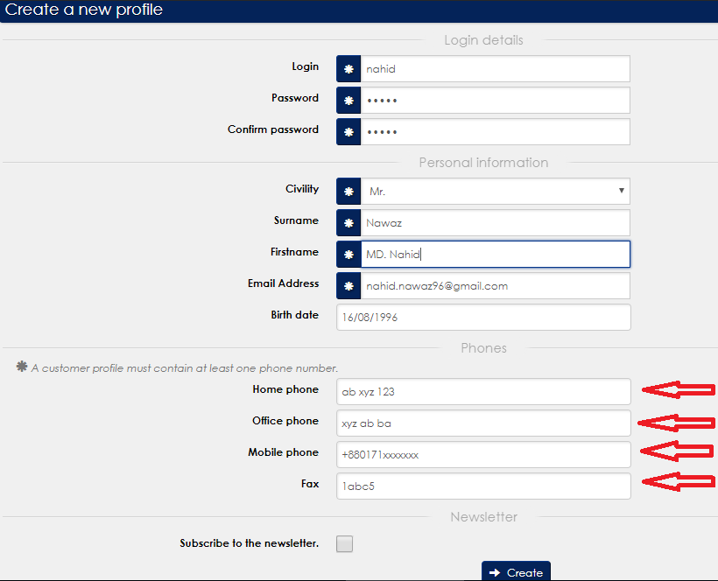

 |  | sheet3_1

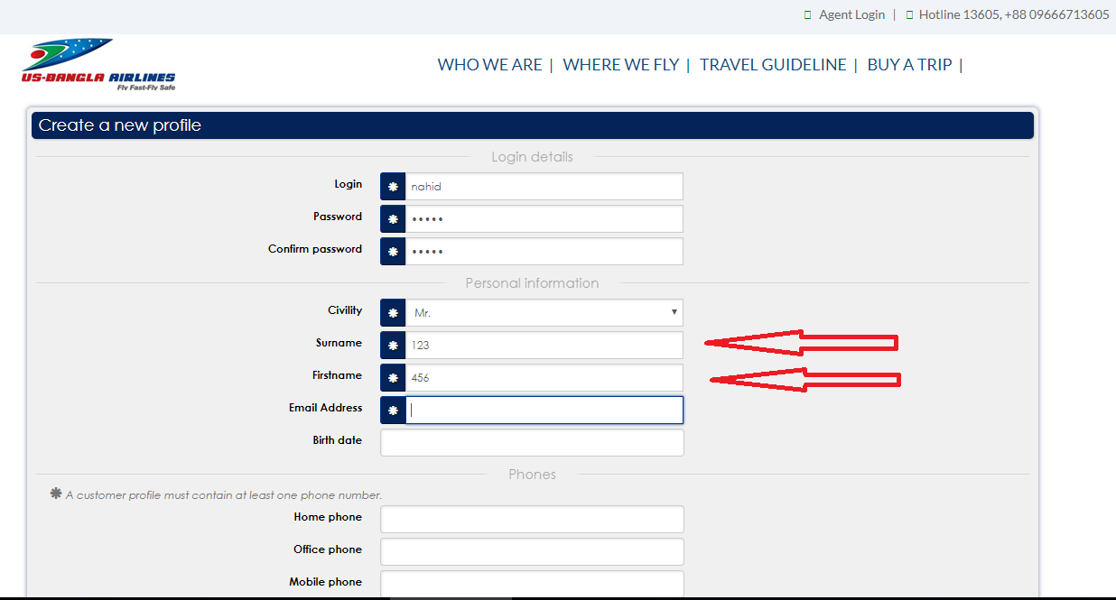

 |  |  |  | sheet3_2

